Sheet1
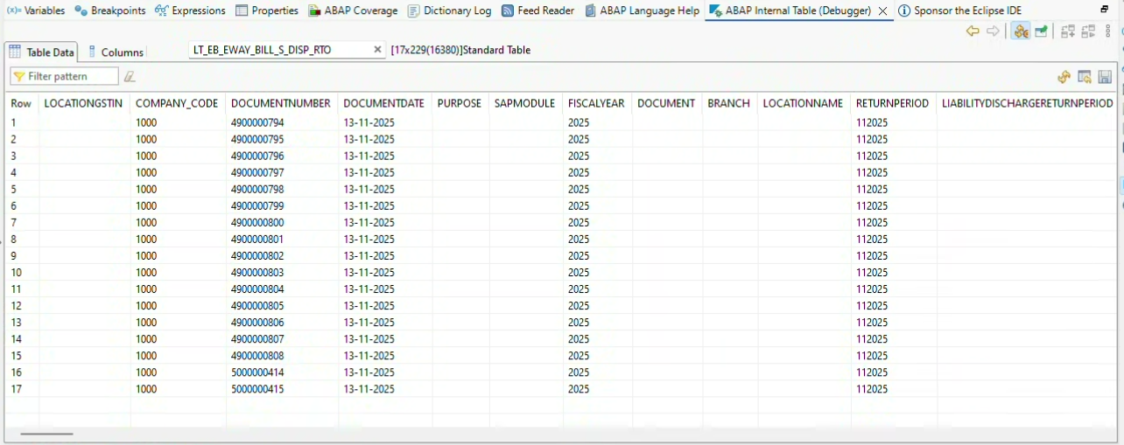
LocationGstin | Pass the DC number and Item to ZMM_T_DC_IUT & get FROM_GSTIN | ZMM_T_DC_IUT | FROM_GSTIN | #N/A
Purpose | EWB |  |  | #N/A
SupplyType | S |  |  | #N/A
DocumentType | CHL |  |  | #N/A
TransactionType | OWN |  |  | #N/A
DocumentNumber | Pass dc number input screen |  |  | #N/A
DocumentDate | Pass the DC number and Item to ZMM_T_DC_IUT_HD & get CREATED_AT | ZMM_T_DC_IUT_HD | CREATED_AT | #N/A
BillFromGstin | Pass the DC number and Item to ZMM_T_DC_IUT & get FROM_GSTIN | ZMM_T_DC_IUT | FROM_GSTIN | #N/A
BillFromAddress1 | Pass the DC number and Item to ZMM_T_DC_IUT & get FROM_ADDRESS | ZMM_T_DC_IUT | FROM_ADDRESS | #N/A
BillFromStateCode | Pass the DC number and Item to ZMM_T_DC_IUT & get FROM_PLANT pass to LFA1 & get REGIO | ZMM_T_DC_IUT | FROM_PLANT | #N/A
BillFromPincode | Pass the DC number and Item to ZMM_T_DC_IUT & get FROM_PLANT pass to LFA1 & get PSTLZ | ZMM_T_DC_IUT | FROM_PLANT | #N/A
BillToGstin | Pass the DC number and Item to ZMM_T_DC_IUT & get TO_GSTIN | ZMM_T_DC_IUT | TO_GSTIN | #N/A
BillToTradeName | Pass the DC number and Item to ZMM_T_DC_IUT & get VENDOR_NAME | ZMM_T_DC_IUT | VENDOR_NAME | #N/A
BillToAddress1 | Pass the DC number and Item to ZMM_T_DC_IUT & get TO_ADDRESS | ZMM_T_DC_IUT | TO_ADDRESS | #N/A
BillToStateCode | Pass the DC number and Item to ZMM_T_DC_IUT & get TO_PLANT pass to LFA1 & get REGIO | ZMM_T_DC_IUT | TO_PLANT | #N/A
BillToPincode | Pass the DC number and Item to ZMM_T_DC_IUT & get TO_PLANT pass to LFA1 & get PSTLZ | ZMM_T_DC_IUT | TO_PLANT | #N/A
DocumentValue | Pass the DC number to ZMM_T_DC_IUT_HD & get TAXABLE_AMOUNT | ZMM_T_DC_IUT_HD | TAXABLE_AMOUNT | #N/A
Hsn | Pass the DC number and Item to ZMM_T_DC_IUT & get HSN | ZMM_T_DC_IUT | HSN | #N/A
Uqc | Pass the DC number and Item to ZMM_T_DC_IUT & get UOM | ZMM_T_DC_IUT | UOM | #N/A
Quantity | Pass the DC number and Item to ZMM_T_DC_IUT & get QUANTITY | ZMM_T_DC_IUT | QUANTITY | #N/A
Rate | Pass the DC number and Item to ZMM_T_DC_IUT & get RATE | ZMM_T_DC_IUT | RATE | #N/A
TaxableValue | Pass the DC number and Item to ZMM_T_DC_IUT & get TAXABLE_VALUE | ZMM_T_DC_IUT | TAXABLE_VALUE | #N/A
IgstAmount | Pass the DC number and Item to ZMM_T_DC_IUT & get IGST_PERCENT | ZMM_T_DC_IUT | IGST_PERCENT | #N/A
CgstAmount | Pass the DC number and Item to ZMM_T_DC_IUT & get CGST_PERCENT | ZMM_T_DC_IUT | CGST_PERCENT | #N/A
SgstAmount | Pass the DC number and Item to ZMM_T_DC_IUT & get SGST_PERCENT | ZMM_T_DC_IUT | SGST_PERCENT | #N/A

Sheet2
